Level 2 Guest (1-100MB)
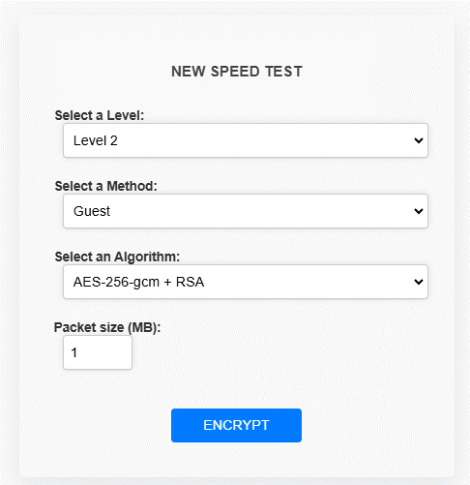

Guest(AES-128-CCM + ChaCha20 0) - 100 packets

Encryption time(s) | Packet Size(MB) | Decryption time(s) | Packet Size(MB)
0.024935007095 | 1 | 0.019945383072 | 1
0.081780195236 | 5 | 0.092757463455 | 5
0.19846963882 | 10 | 0.14200162888 | 10
0.28124880791 | 15 | 0.22040963173 | 15
0.32880997658 | 20 | 0.25631213188 | 20
0.38698911667 | 25 | 0.31815242767 | 25
0.40941810608 | 30 | 0.40043783188 | 30
0.49766969681 | 35 | 0.45702338219 | 35
0.57397389412 | 40 | 0.56328749657 | 40
0.6904630661 | 45 | 0.66621804237 | 45
0.65724539757 | 50 | 0.64210820198 | 50
0.73403763771 | 55 | 0.71811437607 | 55
0.79863572121 | 60 | 0.79664158821 | 60
0.86317753792 | 65 | 0.88565349579 | 65
0.98756742477 | 70 | 0.94997024536 | 70
1.0298101902 | 75 | 1.1274971962 | 75
1.0202994347 | 80 | 0.98878121376 | 80
1.3538751602 | 85 | 1.3628668785 | 85
1.2427268028 | 90 | 1.2250459194 | 90
1.2190990448 | 95 | 1.1993200779 | 95
1.3625822067 | 100 | 1.3823373318 | 100

Guest (2. AES-128-CCM + AES-192-CCM ) - 100 packets

Encryption time(s) | Packet Size(KB) | Decryption time(s) | Packet Size(KB)
0.02193903923 | 1 | 0.017952203751 | 1
0.099731206894 | 5 | 0.11070251465 | 5
0.16854739189 | 10 | 0.16558527946 | 10
0.29421257973 | 15 | 0.21043729782 | 15
0.32415151596 | 20 | 0.27230882645 | 20
0.40824270248 | 25 | 0.34108829498 | 25
0.86752343178 | 30 | 0.65708112717 | 30
0.80352020264 | 35 | 0.78431797028 | 35
0.95147371292 | 40 | 1.0394225121 | 40
1.1921083927 | 45 | 1.0512065887 | 45
1.4064941406 | 50 | 1.3998551369 | 50
1.2828269005 | 55 | 1.257008791 | 55
1.3994150162 | 60 | 1.3650672436 | 60
1.490639925 | 65 | 1.5174295902 | 65
1.6735079288 | 70 | 1.6006770134 | 70
1.7380747795 | 75 | 1.6503179073 | 75
1.8625867367 | 80 | 1.7798204422 | 80
1.9955999851 | 85 | 2.017966032 | 85
2.2558994293 | 90 | 2.013376236 | 90
2.1587042809 | 95 | 2.1738033295 | 95
2.2134487629 | 100 | 2.2844955921 | 100

Level 2 Basic (1-100MB)
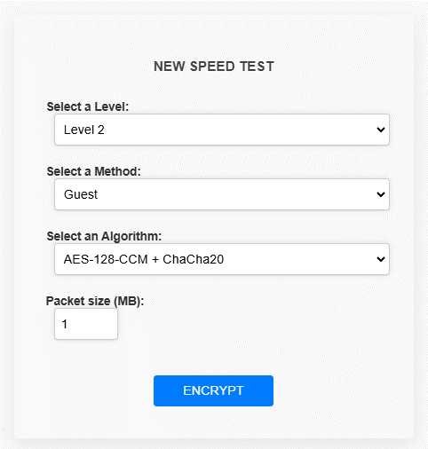

Baisc(AES-256-CCM + ChaCha20-Poly1305) - 100 packets

Encryption time(s) | Packet Size(MB) | Decryption time(s) | Packet Size(MB)
0.053764104843 | 1 | 0.018696308136 | 1
0.097626209259 | 5 | 0.086021661758 | 5
0.18543195724 | 10 | 0.12978029251 | 10
0.24447989464 | 15 | 0.20534729958 | 15
0.32469558716 | 20 | 0.26475453377 | 20
0.38952350616 | 25 | 0.35093259811 | 25
0.47122764587 | 30 | 0.42253470421 | 30
0.5227253437 | 35 | 0.54043292999 | 35
0.58304333687 | 40 | 0.57757496834 | 40
0.676207304 | 45 | 0.68565511703 | 45
0.71622347832 | 50 | 0.73243808746 | 50
0.80201673508 | 55 | 0.77293300629 | 55
0.86496090889 | 60 | 0.84486842155 | 60
0.93335723877 | 65 | 0.91426157951 | 65
1.0163681507 | 70 | 0.98586797714 | 70
1.066290617 | 75 | 1.1394870281 | 75
1.1121413708 | 80 | 1.0698843002 | 80
1.2433714867 | 85 | 1.151096344 | 85
1.2847709656 | 90 | 1.3141293526 | 90
1.3828074932 | 95 | 1.263730526 | 95
1.4280118942 | 100 | 1.3384346962 | 100

Basic (AES-128-CCM + AES-192-CCM + XChaCha20) - 100 packets

Encryption time(s) | Packet Size(KB) | Decryption time(s) | Packet Size(KB)
0.030094623566 | 1 | 0.031059741974 | 1
0.13930177689 | 5 | 0.10942745209 | 5
0.22252678871 | 10 | 0.18316936493 | 10
0.34121084213 | 15 | 0.2695171833 | 15
0.40404391289 | 20 | 0.35442066193 | 20
0.50246429443 | 25 | 0.46643161774 | 25
0.61062669754 | 30 | 0.55979967117 | 30
0.66623187065 | 35 | 0.72677087784 | 35
0.81679558754 | 40 | 0.73243165016 | 40
0.87864971161 | 45 | 0.87352252007 | 45
0.9369790554 | 50 | 1.0161240101 | 50
1.0288743973 | 55 | 0.99899125099 | 55
1.1162805557 | 60 | 1.3112092018 | 60
1.2365136147 | 65 | 1.3640108109 | 65
1.3683693409 | 70 | 1.2621705532 | 70
1.470294714 | 75 | 1.3233504295 | 75
1.5032656193 | 80 | 1.5561521053 | 80
1.6099402905 | 85 | 1.6557714939 | 85
1.6508259773 | 90 | 1.6492960453 | 90
1.8331568241 | 95 | 1.8371284008 | 95
1.9660339355 | 100 | 1.8659090996 | 100

 |  |  | j

Level 2 Advanced (1-100MB)
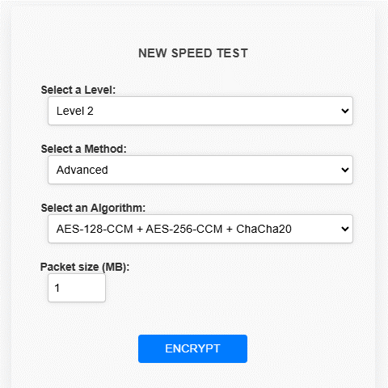

Advanced(AES-128-CCM + AES-256-CCM + ChaCha20) - 100 packets

Encryption time(s) | Packet Size(MB) | Decryption time(s) | Packet Size(MB)
0.043134212494 | 1 | 0.016625165939 | 1
0.13866639137 | 5 | 0.087989091873 | 5
0.23351764679 | 10 | 0.18304872513 | 10
0.3334441185 | 15 | 0.28308868408 | 15
0.42076635361 | 20 | 0.3625805378 | 20
0.60094094276 | 25 | 0.52253341675 | 25
0.59199929237 | 30 | 0.55745768547 | 30
0.71702671051 | 35 | 0.65075063705 | 35
0.78455376625 | 40 | 0.82147216797 | 40
0.86667871475 | 45 | 0.82933092117 | 45
0.94785499573 | 50 | 0.94993901253 | 50
1.2017798424 | 55 | 1.0960035324 | 55
1.1650342941 | 60 | 1.1123592854 | 60
1.2335457802 | 65 | 1.1999742985 | 65
1.3171050549 | 70 | 1.3662855625 | 70
1.5187072754 | 75 | 1.4540843964 | 75
1.5165429115 | 80 | 1.5629441738 | 80
1.7539079189 | 85 | 1.5783042908 | 85
1.710129261 | 90 | 1.8282704353 | 90
1.9091613293 | 95 | 1.7154548168 | 95
1.860915184 | 100 | 1.8138577938 | 100

Advanced (AES-256-CCM + XChaCha20 + ChaCha20) - 100 packets

Encryption time(s) | Packet Size(MB) | Decryption time(s) | Packet Size(MB)
0.025941133499 | 1 | 0.020736932755 | 1
0.14003920555 | 5 | 0.097272157669 | 5
0.22840046883 | 10 | 0.17748022079 | 10
0.31508350372314453 | 15 | 0.28456878662 | 15
0.3977663517 | 20 | 0.39665484428 | 20
0.49027872086 | 25 | 0.49267172813 | 25
0.54730343819 | 30 | 0.56495261192 | 30
0.73625588417 | 35 | 0.65057635307 | 35
0.76669645309 | 40 | 0.83738422394 | 40
0.84358024597 | 45 | 0.87286162376 | 45
0.93206119537 | 50 | 0.9320833683 | 50
0.99954748154 | 55 | 1.281383276 | 55
1.1032090187 | 60 | 1.0859193802 | 60
1.1827940941 | 65 | 1.1325407028 | 65
1.3001666069 | 70 | 1.2481336594 | 70
1.4962716103 | 75 | 1.3704380989 | 75
1.4760074615 | 80 | 1.4070990086 | 80
1.5541641712 | 85 | 1.4868264198 | 85
1.6323065758 | 90 | 1.6000072956 | 90
1.7440741062 | 95 | 1.6906886101 | 95
1.9273006916 | 100 | 1.8157274723 | 100

Advanced ( AES-192-CCM + XChaCha20 )

Encryption time(s) | Packet Size(MB) | Decryption time(s) | Packet Size(MB)
0.013965845108 | 1 | 0.0054111480713 | 1
0.059541225433 | 5 | 0.087306499481 | 5
0.23250865936 | 10 | 0.13087034225 | 10
0.21590423584 | 15 | 0.19039368629 | 15
0.29982185364 | 20 | 0.23291659355 | 20
0.33710002899 | 25 | 0.305809021 | 25
0.37052822113 | 30 | 0.37332081795 | 30
0.48199677467 | 35 | 0.46736741066 | 35
0.51862382889 | 40 | 0.55101513863 | 40
0.61693382263 | 45 | 0.58280014992 | 45
0.70885133743 | 50 | 0.75774621964 | 50
0.72858691216 | 55 | 0.72280478477 | 55
0.79994273186 | 60 | 0.80954909325 | 60
0.89615702629 | 65 | 0.8148021698 | 65
0.88856840134 | 70 | 0.91792798042 | 70
0.96348714828 | 75 | 1.0267693996 | 75
1.0043437481 | 80 | 0.98719358444 | 80
1.0974242687 | 85 | 1.1773660183 | 85
1.1363313198 | 90 | 1.0734395981 | 90
1.3059606552 | 95 | 1.2080450058 | 95
1.3001041412 | 100 | 1.2156727314 | 100

Level 2 Admin (1-100MB)
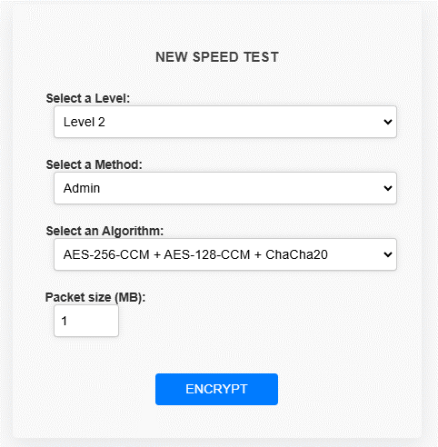

Admin(AES-256-CCM + AES-128-CCM + ChaCha20 ) - 100 packets

Encryption time(s) | Packet Size(MB) | Decryption time(s) | Packet Size(MB)
0.026735305786 | 1 | 0.03551697731 | 1
0.12896609306 | 5 | 0.10910630226 | 5
0.21888852119 | 10 | 0.18509459496 | 10
0.34529519081 | 15 | 0.28431749344 | 15
0.41589832306 | 20 | 0.37086963654 | 20
0.5095770359 | 25 | 0.50604605675 | 25
0.72055482864 | 30 | 0.61308717728 | 30
0.7115073204 | 35 | 0.73442625999 | 35
0.79006028175 | 40 | 0.73651790619 | 40
0.89775419235 | 45 | 0.86692810059 | 45
1.1549010277 | 50 | 1.0871388912 | 50
1.0341954231 | 55 | 1.0301544666 | 55
1.4183592796 | 60 | 1.34328866 | 60
1.2416350842 | 65 | 1.1658570766 | 65
1.3272218704 | 70 | 1.2717912197 | 70
1.398059845 | 75 | 1.3709366322 | 75
1.5172932148 | 80 | 1.6334695816 | 80
1.6144943237 | 85 | 1.7035582066 | 85
1.6822211742 | 90 | 1.8009753227 | 90
1.8266317844 | 95 | 1.9888136387 | 95
1.8575139046 | 100 | 1.8781547546 | 100

Admin (AES-192-CCM + AES-256-CCM + XChaCha20) - 100 packets

Encryption time(s) | Packet Size(MB) | Decryption time(s) | Packet Size(MB)
0.021899223328 | 1 | 0.023543357849 | 1
0.12162685394 | 5 | 0.12907099724 | 5
0.22034144402 | 10 | 0.18110775948 | 10
0.34870004654 | 15 | 0.28474545479 | 15
0.43235445023 | 20 | 0.3633711338 | 20
0.53639030457 | 25 | 0.4765818119 | 25
0.59249162674 | 30 | 0.55444002151 | 30
0.7429792881 | 35 | 0.6548204422 | 35
0.86870408058 | 40 | 0.78224134445 | 40
0.916482687 | 45 | 0.84458398819 | 45
0.97749662399 | 50 | 0.90274143219 | 50
1.1169118881 | 55 | 0.9971973896 | 55
1.1639070511 | 60 | 1.1346800327 | 60
1.2505366802 | 65 | 1.1827802658 | 65
1.4506108761 | 70 | 1.3505358696 | 70
1.4618680477 | 75 | 1.4264495373 | 75
1.5154621601 | 80 | 1.633587122 | 80
1.6689500809 | 85 | 1.6472012997 | 85
1.8206708431 | 90 | 1.7011125088 | 90
1.7933132648 | 95 | 1.8001008034 | 95
1.9365925789 | 100 | 2.1316416264 | 100

Admin (10. AES-128-CCM + ChaCha20-Poly1305 + XChaCha20 )

Encryption time(s) | Packet Size(MB) | Decryption time(s) | Packet Size(MB)
0.028287649155 | 1 | 0.02194070816 | 1
0.13283991814 | 5 | 0.093049526215 | 5
0.23236489296 | 10 | 0.21657037735 | 10
0.34554505348 | 15 | 0.28453397751 | 15
0.45388245583 | 20 | 0.36727833748 | 20
0.53178477287 | 25 | 0.48057556152 | 25
0.61803364754 | 30 | 0.57522463799 | 30
0.80790567398 | 35 | 0.65578842163 | 35
0.8657681942 | 40 | 0.74078583717 | 40
0.87813687325 | 45 | 0.86685085297 | 45
0.97517347336 | 50 | 1.0446195602 | 50
1.1397061348 | 55 | 1.1485967636 | 55
1.1911284924 | 60 | 1.1574499607 | 60
1.2957723141 | 65 | 1.3612015247 | 65
1.4257130623 | 70 | 1.3107414246 | 70
1.5334191322 | 75 | 1.4330236912 | 75
1.6192190647 | 80 | 1.591684103 | 80
1.5998868942 | 85 | 1.5993182659 | 85
1.7487099171 | 90 | 1.7361719608 | 90
1.8470110893 | 95 | 1.8270223141 | 95
2.0521988869 | 100 | 1.9917504787 | 100

 |  | k

